weekly progress report
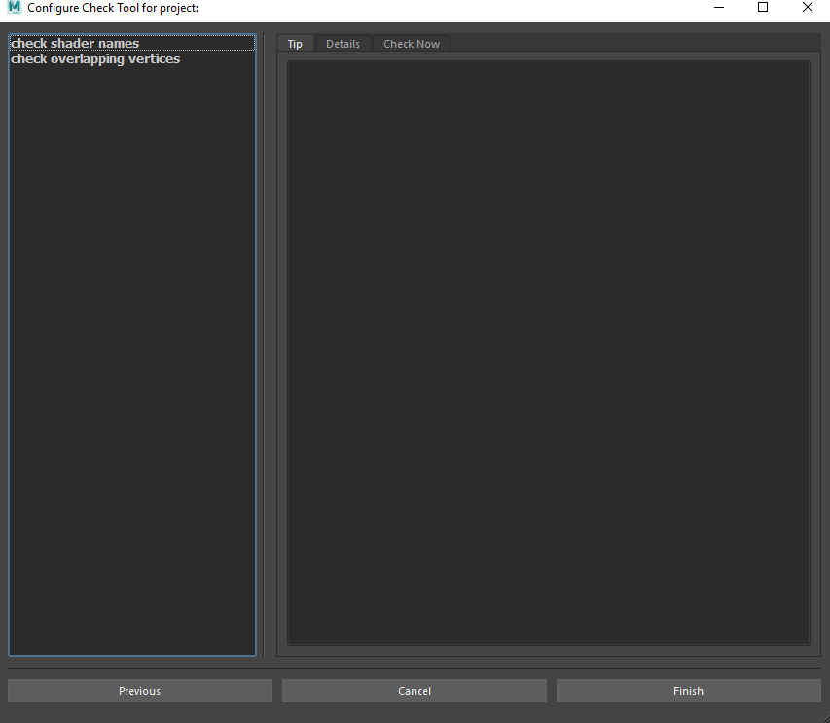
Weekly Progress Report from Nov, 1 to Nov, 6 1. Read configuration I prepare in advance from CSV files. 2. Design a new gui to help PM configure each check item.

PM can configure each check item in this gui:

4 weeks project schedule
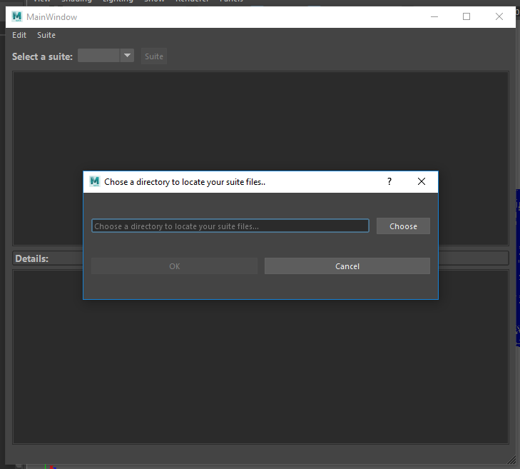
The following need to be done before December 5.

Task |  |  | Time Estimation | Expected Completion Date | Actual Completion Date
GUI for PM |  | Read the PM's configuration from CSV files. | 1 week | Nov, 8 | Nov, 3

 |  | The PM can edit his own tip message to tell his members what his expected result is. | 1 week or 10 days | Nov, 14 | in progress

 |  | Store the PM's configuration in CSV files.

 |  | The PM can check his Maya asset to validate his configuration. | 1 week | Nov, 22 | not started

GUI for Artists |  | Display the tip message of every test item which the PM wrote. | 1 week | Nov, 30 | not started

 |  | Hide all the objects except the invalid detected by check tool in Maya scene.

 | All the modification of PM gui is based on this UI:

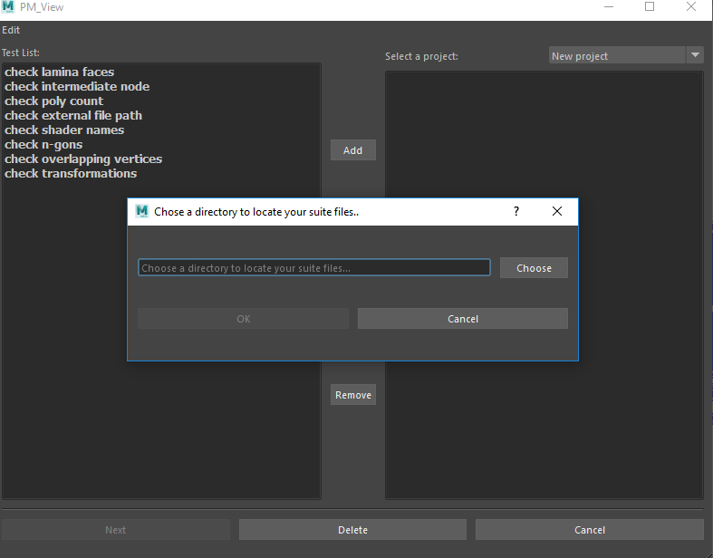

 | All the modification of Artist GUI is based on this UI:

